Quotation or invoice
Sr. No. | Part No./ Asm No. | Name | Block | Quotation or invoice
1 | CHS_001_A | Chassis | Frame | 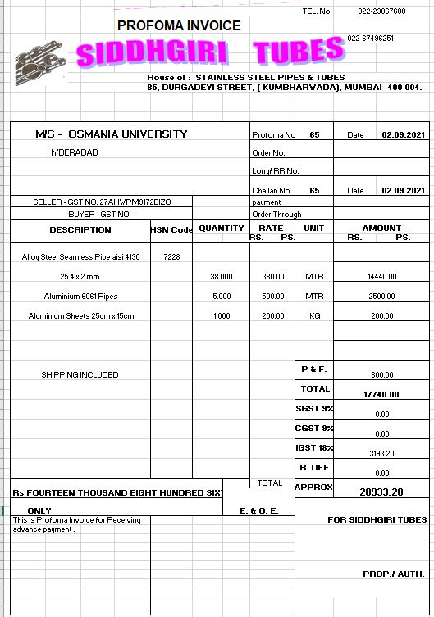
2 | CHS_002_A | Mounting Tabs | Frame | 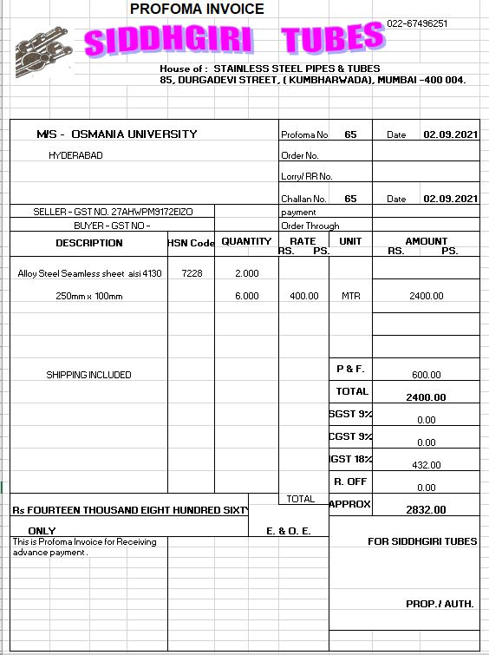

4 | FS_bolt | Bolts | Fastners | 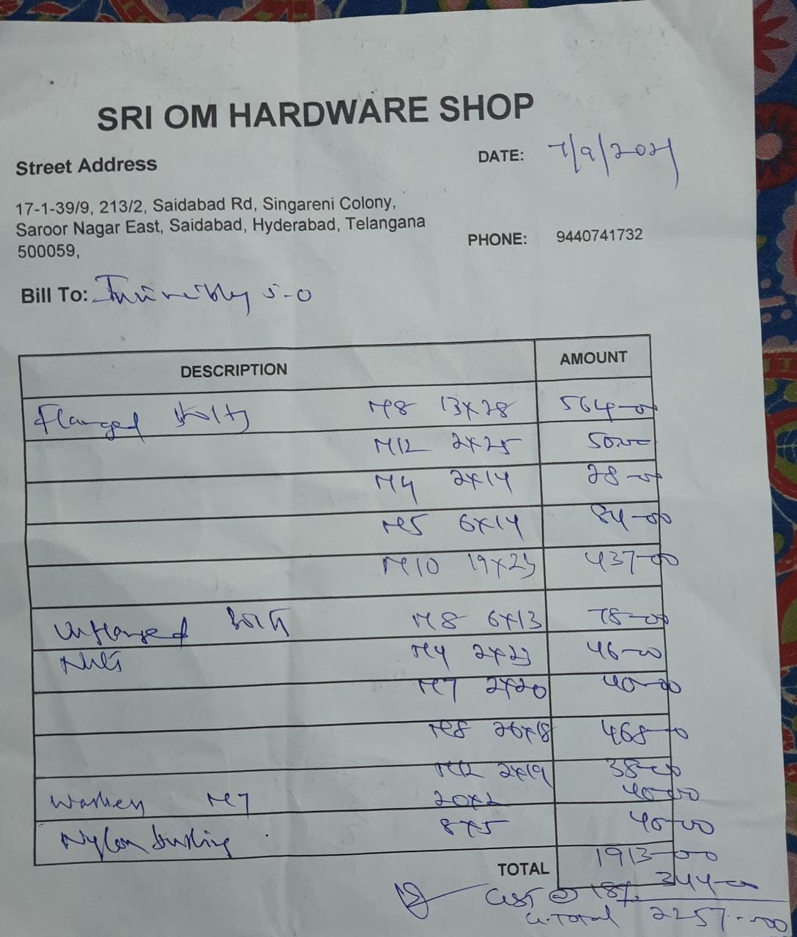
5 | FS_nut | Nuts | Fastners
6 | FS_washer | Washers | Fastners
7 | FS_locknut | Nylon locknuts | Fastners
8 | FS_bushing | Nylon Bushings | Fastners
9 | FS_screws | Screws | Fastners

10 | SPW_001_A | Right Knuckle | Suspension | 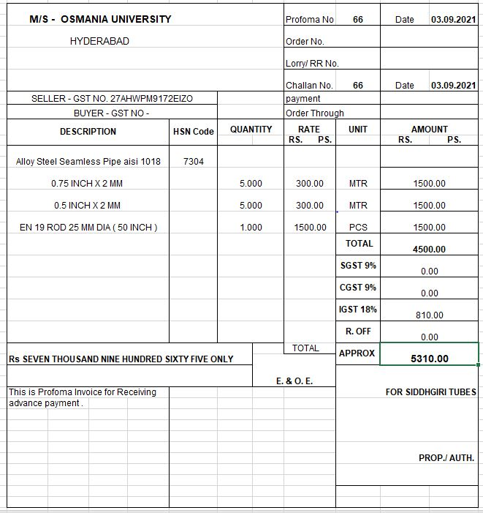
11 | SPW_002_A | Left Knuckle | Suspension
12 | SPW_003 | Upper A-Arms | Suspension
13 | SPW_004 | Lower A-Arms | Suspension
14 | SPW_005_A | Coilover suspension front | Suspension | 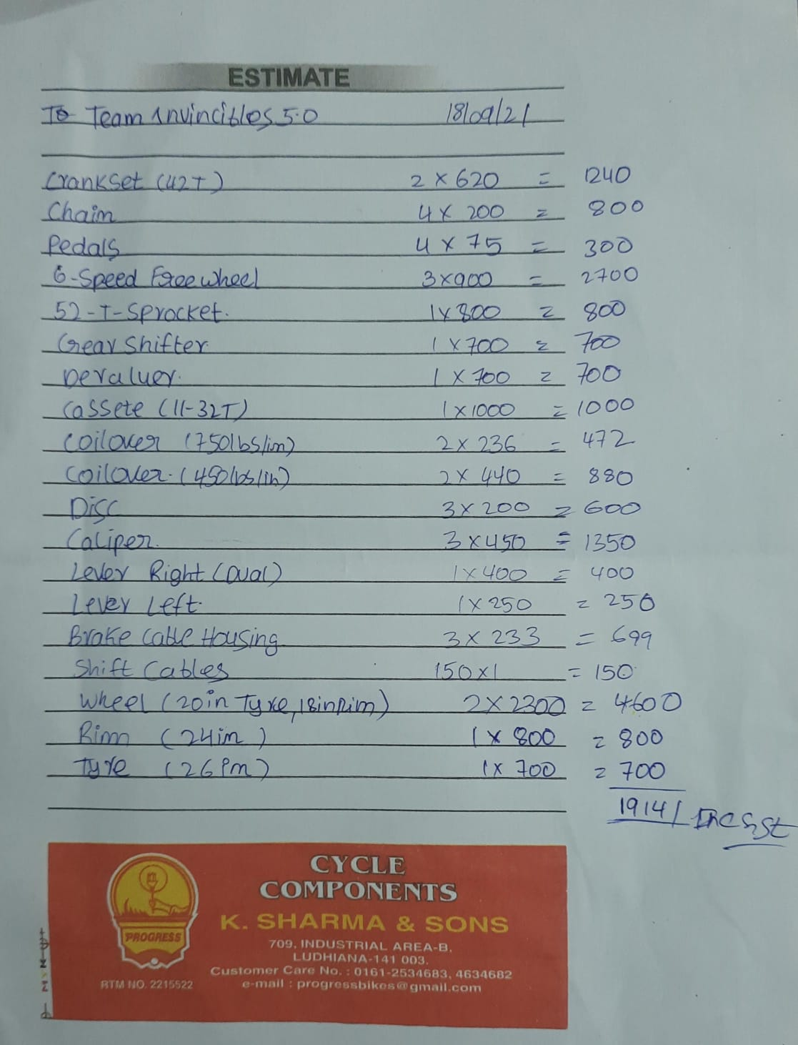
15 | SPW_006 | Triangular Swing Arm | Suspension
16 | SPW_007_A | Coilover suspension rear | Suspension
17 | SPW_008 | Front Bushing | Suspension
18 | SPW_009 | Rear Bushing | Suspension
19 | SPW_010_A | Eye ball joints | Suspension
20 | SPW_011_A | Front Wheel | Wheel & Tyre
21 | SPW_012 | Rear Rim | Wheel & Tyre
22 | SPW_014 | Rear Tyre | Wheel & Tyre
23 | SPW_015_A | Wheel Hub and Casette Hub | Wheel & Tyre | 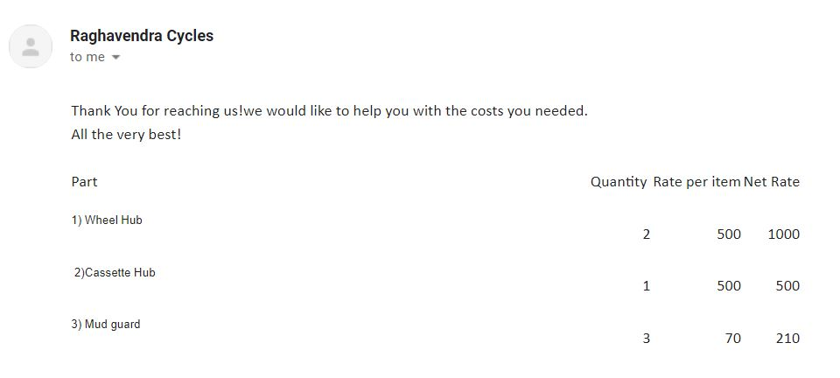

24 | STR_001 | Handle bar | Steering | 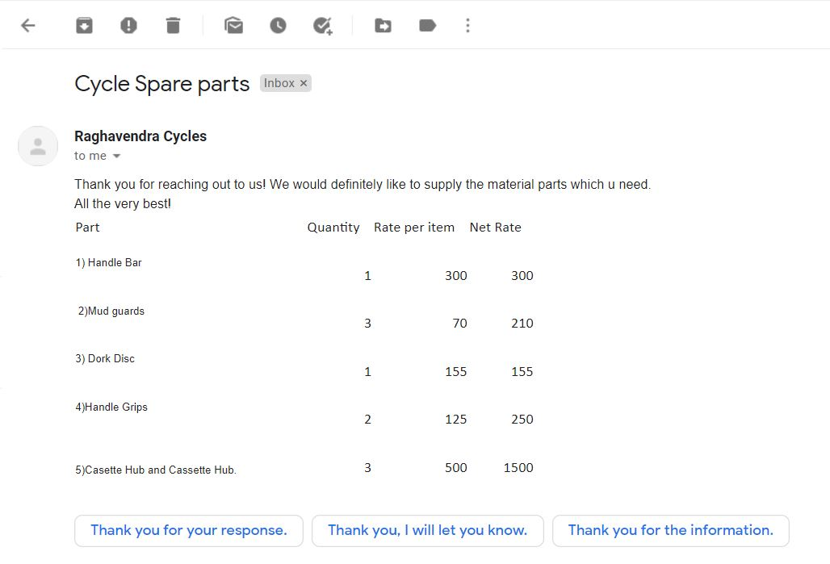
25 | STR_002 | Steering column | Steering
26 | STR_003 | Handle bar clamps | Steering | 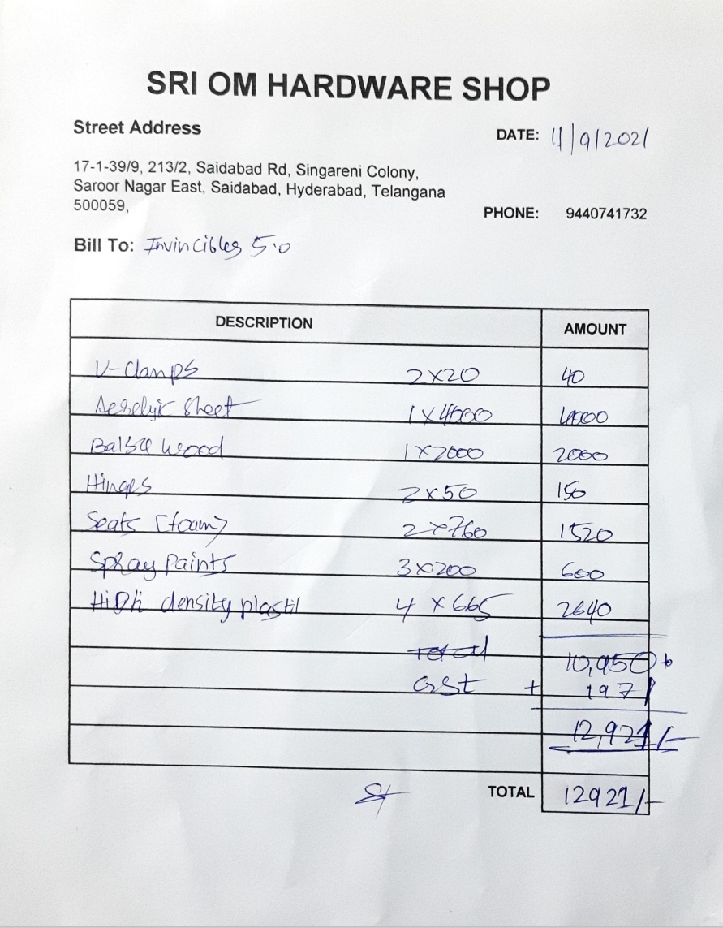
27 | STR_004 | Tie rod 1 (big) | Steering
28 | STR_005 | Tie rod 2 | Steering
29 | SPW_010_A | Eye ball joints | Steering
30 | STR_007 | Bearing | Steering | 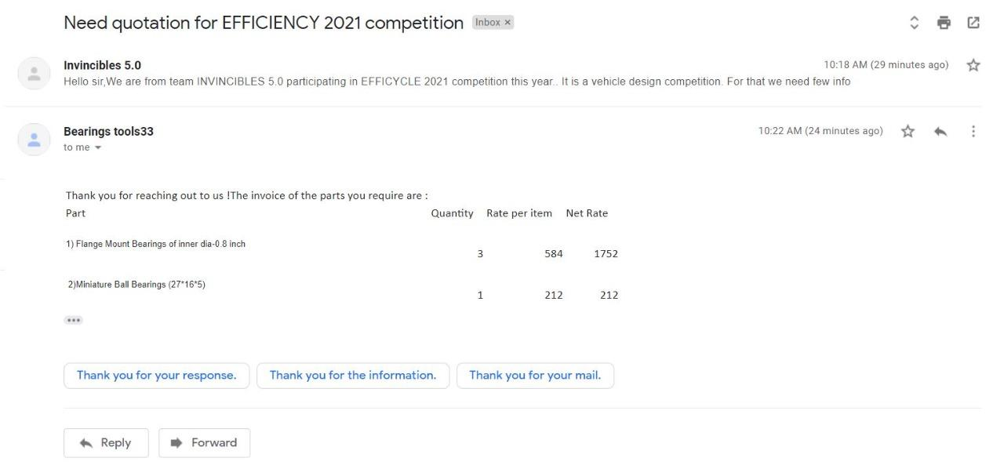
31 | STR_009 | handle grip | Steering

32 | DRT_001_A | Crank set | Drivetrain
33 | DRT_002_A | Chain | Drivetrain
34 | DRT_003 | Pedal | Drivetrain
35 | DRT_004 | Shaft | Drivetrain
36 | DRT_005_A | 14 T Sprocket | Drivetrain
37 | DRT_006_A | 28 T Sprocket | Drivetrain
38 | DRT_007_A | 52 T Sprocket | Drivetrain
39 | DRT_008 | Flanged Bearings | Drivetrain
40 | DRT_009 | Gear Shifter | Drivetrain
41 | DRT_010 | Derailleur | Drivetrain
42 | DRT_011_A | 11-32 T Cassette | Drivetrain
43 | DRT_012 | Shift Cables | Drivetrain
44 | DRT_013_A | KTC BLDC Motor | Drivetrain | 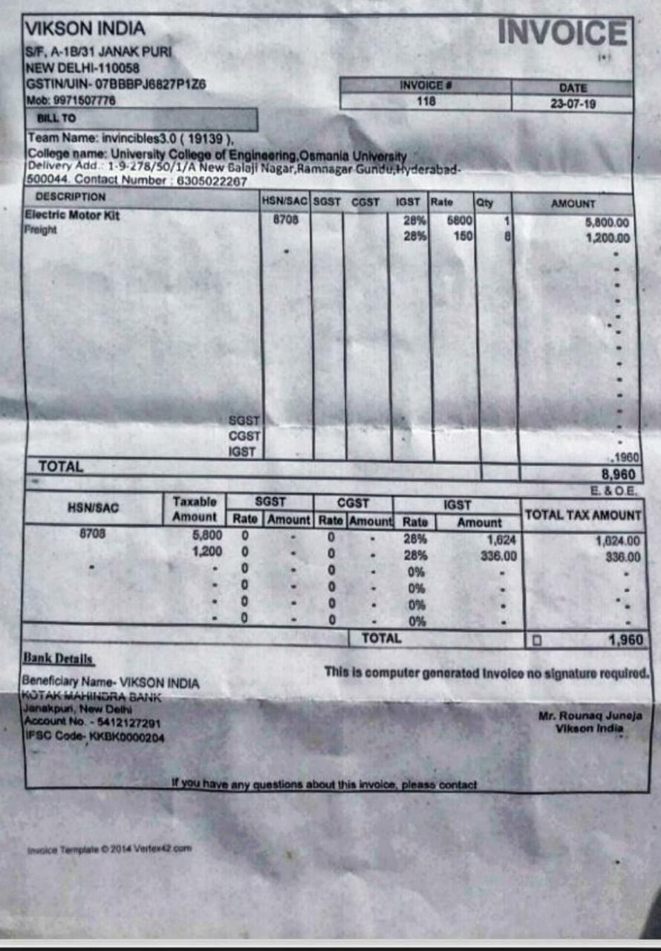
45 | DRT_014 | KTC BLDC Controller | Drivetrain
46 | DRT_015 | Battery | Drivetrain | 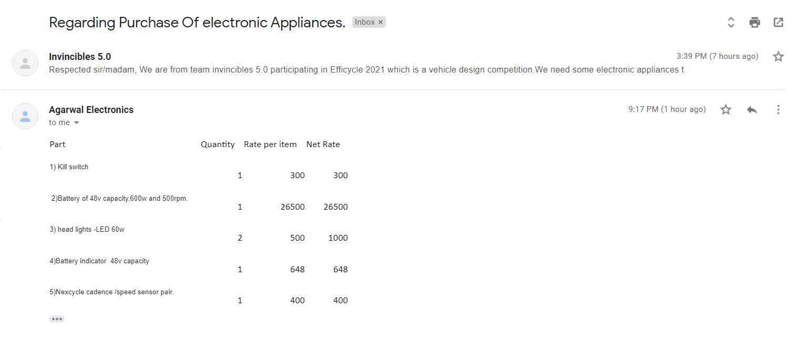
47 | STR_008 | Throttle(accelerator) | Drivetrain
48 | DRT_017 | Kill switch | Drivetrain
49 | DRT_018 | Battery Indicator | Drivetrain
50 | DRT_019 | Pedal catridge | Drivetrain
51 | DRT_020_A | Electric Wires | Drivetrain

52 | BRK_001 | Rotor/Disc | Brakes
53 | BRK_002_A | Brake Caliper | Brakes
54 | BRK_003 | Brake Cable with Housing | Brakes
55 | BRK_004_A | Right lever | Brakes
56 | BRK_005_A | Left lever | Brakes

57 | ACC_001 | Fairing (front) | Safety Equipment
58 | ACC_002 | Front Body Panel | Safety Equipment
59 | ACC_003 | Rear Body Panel | Safety Equipment
60 | ACC_004 | Top Body Panel | Safety Equipment
61 | ACC_005 | Doors | Safety Equipment
62 | ACC_006 | Front Mud guard | Safety Equipment
63 | ACC_007 | Side Panel | Safety Equipment
64 | ACC_008_A | Rear Mud guard | Safety Equipment
65 | ACC_009 | Chain guard | Safety Equipment
66 | ACC_010 | Dork Disc | Safety Equipment
67 | ACC_018 | Battery cover | Safety Equipment | 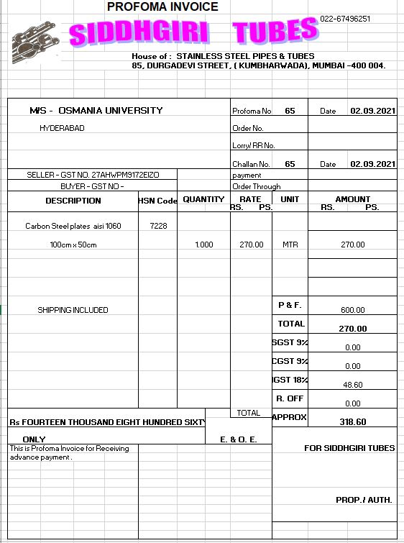
68 | ACC_019 | Cassette guard | Safety Equipment
69 | ACC_012 | Utility Box | Accessories
70 | ACC_013 | Utility Box Lid | Accessories
71 | ACC_014_A | Aluminum Hinges | Accessories
72 | ACC_015 | Head lights | Accessories | 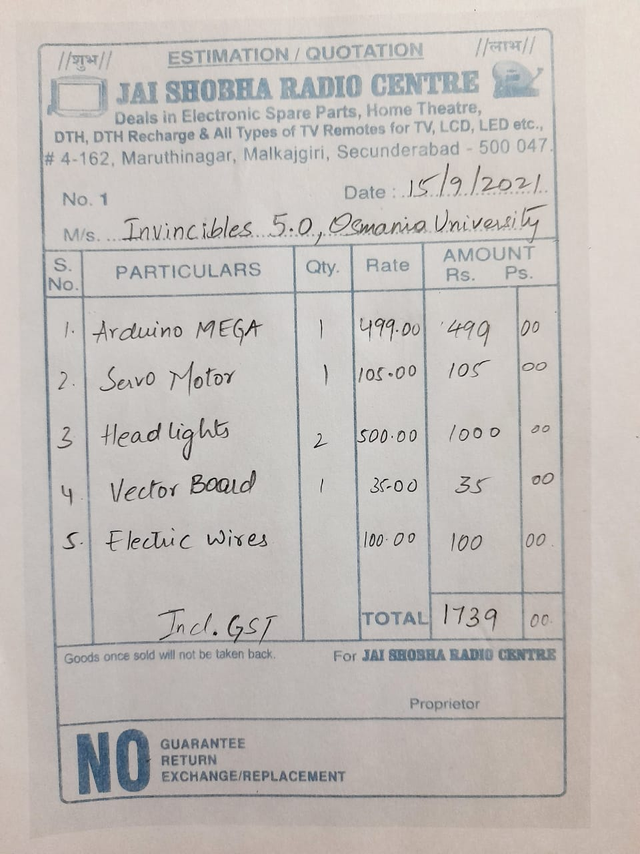
73 | ACC_016 | Rider Seats | Seats
74 | ACC_017_A | Seat Belts | Seats | 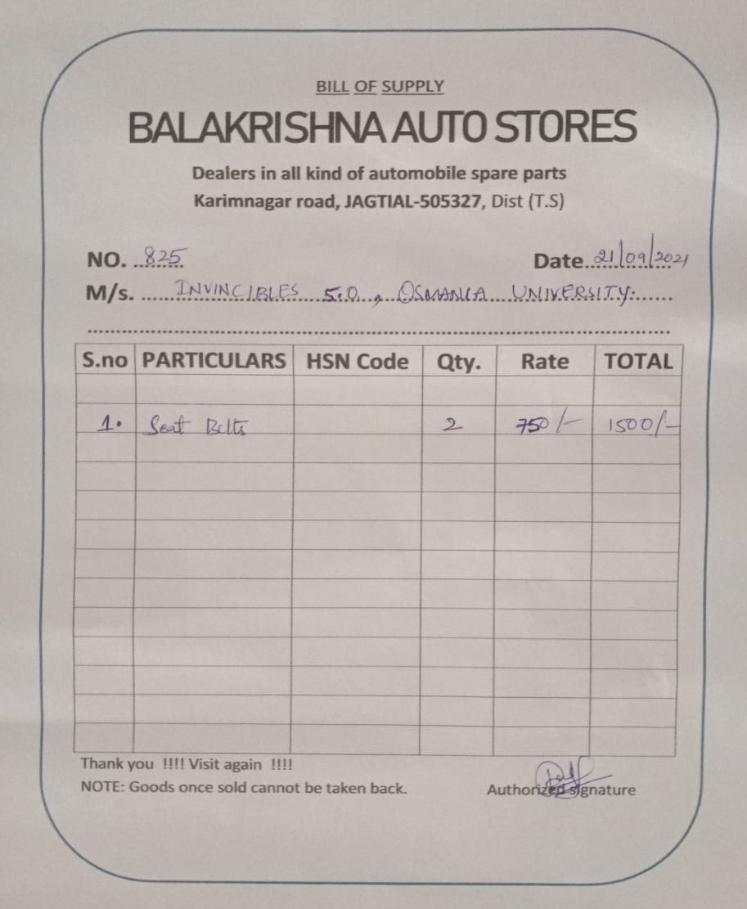
75 | ACC_020 | Arduino | Others
76 | ACC_021 | Cadence Sensor | Others
77 | ACC_022 | Servo Motor | Others
78 |  | Spray paints | Accessories

